Scoresheet
CBSE NORTH ZONE I FOOTBALL CHAMPIONSHIP 2013 (17th Oct till 21st Oct 2013) Match No 12: Indraprastha International School, Dwarka Vs Winner of Match No 4
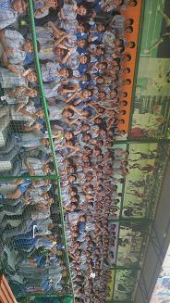
Indraprastha International School, Dwarka qualified for the quarterfinals as there was no team against them in the 12th match of the tournament. |  |  |  |  | 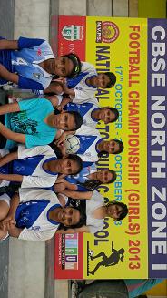
School Students of National Victor waiting for the match to be conducted
SL. No. | INDRAPRASTHA INTERNATIONAL SCHOOL, DWARKA |  |  | VS | SL. No. | WINNER OF MATCH NO 4
 | Players Name | Time | Goal |  |  | Players Name | Time | Goal
1 | PRERNA SOLANKI |  |  |  | 1
2 | SEJAL DABAS |  |  |  | 2
3 | SUKRITI GAUTAM |  |  |  | 3
4 | JASMINE GROVER |  |  |  | 4 | WALKOVER GIVEN TO INDRAPRASTHA INTERNATIONAL SCHOOL, DWARKA AS NO SCHOOL REPORTED FROM MATCH NO 4.
5 | CHAHAT RAGHAV |  |  |  | 5
6 | RHEA RALHAN |  |  |  | 6
7 | ANSHUKA MOHANTY |  |  |  | 7
8 | SHIKSHA ARORA |  |  |  | 8
9 | MUSKAN AGGARWAL |  |  |  | 9
10 | PRIYA ADHIKARI |  |  |  | 10
11 | ASMITA MISHRA |  |  |  | 11
12 | TANVI BAKSHI |  |  |  | 12
13 | ADITI S KUMAR |  |  |  | 13
14 | SANJANA SHARMA |  |  |  | 14
15 | NP |  |  |  | 15
16 | NP |  |  |  | 16
17 | NP |  |  |  | 17
18 | NP |  |  |  | 18
TOTAL SCORE |  |  | 0 |  | TOTAL SCORE |  |  | 0
FOR RESULTS PLEASE VISIT www.spectrumsports.in

